Sheet1
 | daftar command | tabel user
 |  | int (auto incr) | string (50) | string (20)
1 | register <username> | id_user | id_line | username
2 | add <username target> <komentar> <harga> | 1 | 12354 | kevin
3 | total | 2 | 12345 | andy
4 | pay <username target> | 3 | 123456 | sebas
5 | detail <username target> | 4 | 123 | ari
 | perlu tambah timestamp
 |  | tabel utang
 |  | int (auto incr) | int | int | string (30) | float | bool | bool
 |  | nomor | id_lender | id_debtor | komen | price | confirmed | lunas
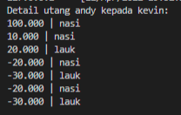
 |  | 1 | kevin | andy |  | 10
 |  | 2 | kevin | sebas |  | 10
 |  | 3 | andy | kevin |  | 20
 |  |  | sebas | kevin |  | 8

